Sheet1
PT SUMI RUBBER INDONESIA
WP |  | PROSEDUR PEMBUATAN TICKET BEAD RIBBON DI APEX FITTING |  |  |  | WE-846/00

TUJUAN | : SEBAGAI GUIDANDE PRODUKSI DALAM PEMBUATAN TICKET BASE PEN DI APEX FITTING
RUANG LINGKUP | : BEAD APEX FITTING
PIC | : OPERATOR, LEADER, FOREMAN DAN SUPERVISOR (PRODUKSI)
 | STAFF DAN CHIEF STAFF (WT)
Pembuatan ticket Base Pen

1. Pada program Apex Fitting, klik Input New Order [F1].
( Prosedur penggunaan program Apex Fitting ada pada WE-148/00 )

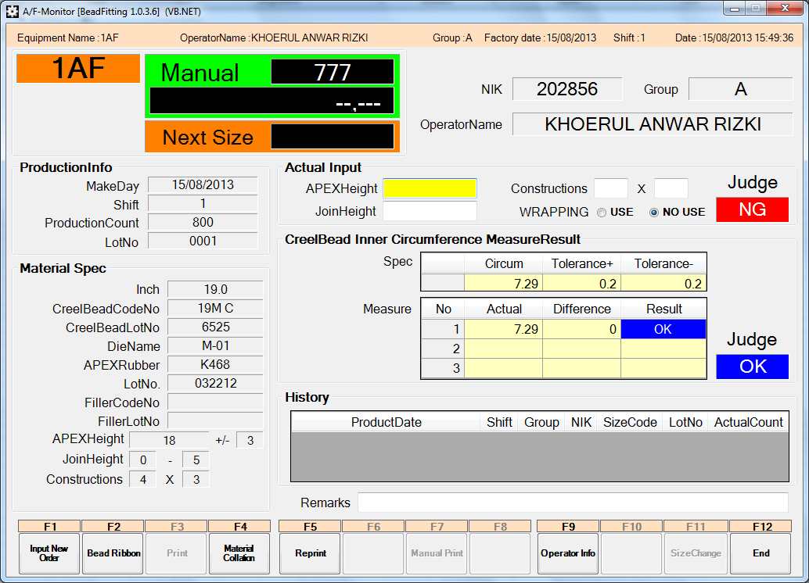

2. Klik YES (Y) untuk melanjutkan ke menu berikutnya. Jika klik NO(N) maka akan kembali ke menu utama.

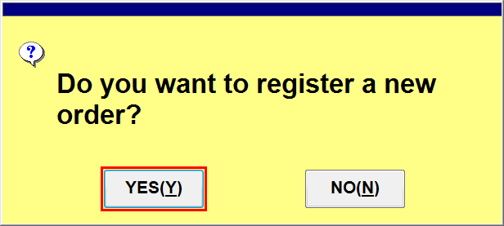

Issued date | Approved by |  |  | Checked by | Prepared by |  | Page
 |  |  |  |  |  |  | 1/4

 | Sutrisno |  | Juhdi M. | Chandra W. | Khoerul

PT SUMI RUBBER INDONESIA
WP |  | PROSEDUR PEMBUATAN TICKET BEAD RIBBON DI APEX FITTING |  |  |  | WE-846/00

3. Input size code "9999" dan Production count misalkan 1, kemudian klik Order OK [F3].
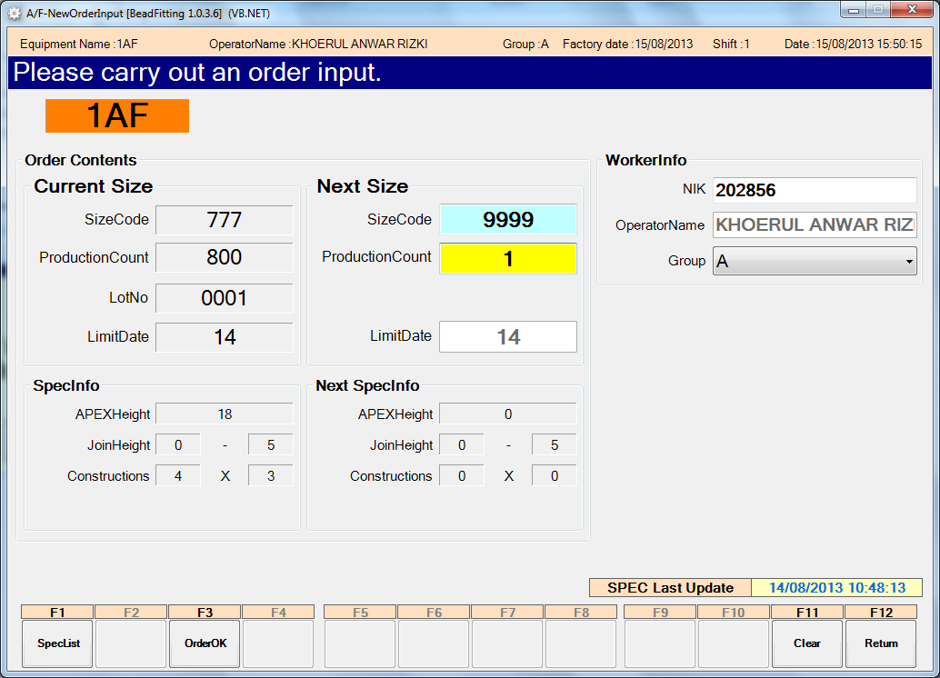

Note:
Gunakan code size
9999 untuk membuat
ticket Base Pen.

4. Klik YES (Y) untuk melanjutkan ke menu material scan. Jika klik NO (N) maka kembali ke menu sebelumnya
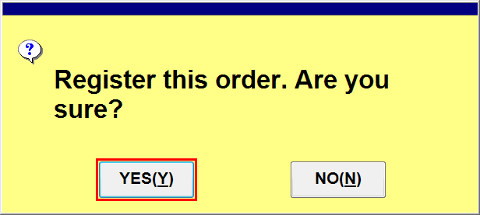

5. Klik kolom B/B Ticket Key, kemudian scan ticket Compound menggunakan barcode scanner
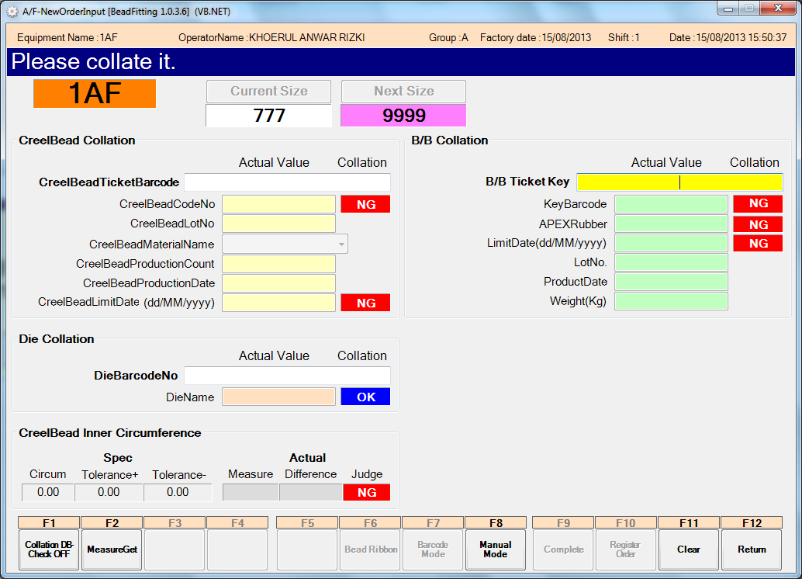

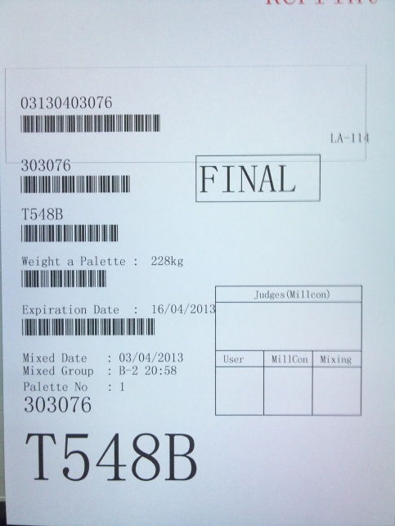

Issued date | Approved by |  |  | Checked by | Prepared by |  | Page
 |  |  |  |  |  |  | 2/4

 | Sutrisno |  | Juhdi M. | Chandra W. | Khoerul

PT SUMI RUBBER INDONESIA
WP |  | PROSEDUR PEMBUATAN TICKET BEAD RIBBON DI APEX FITTING |  |  |  | WE-846/00

6. Setelah ticket compound di scan, kemudian kilk Bead Ribbon [F6]
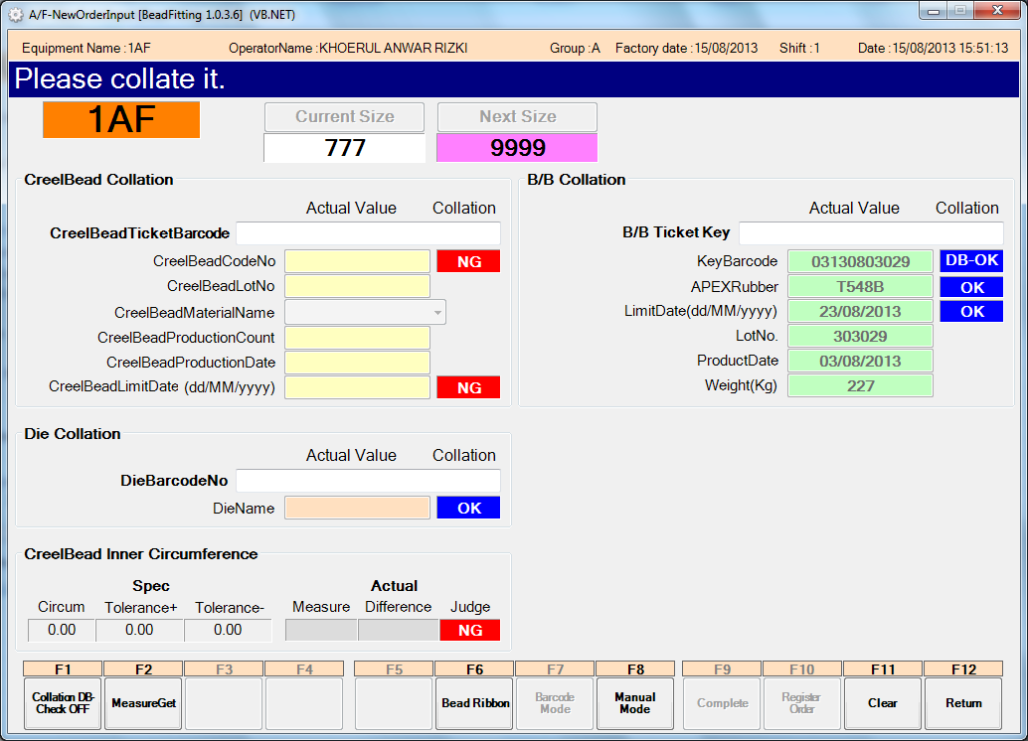

7. Input berat di kolom Weight (Kg) dan panjang diameter di kolom Diameter (mm) , kemudian klik Print [F4]

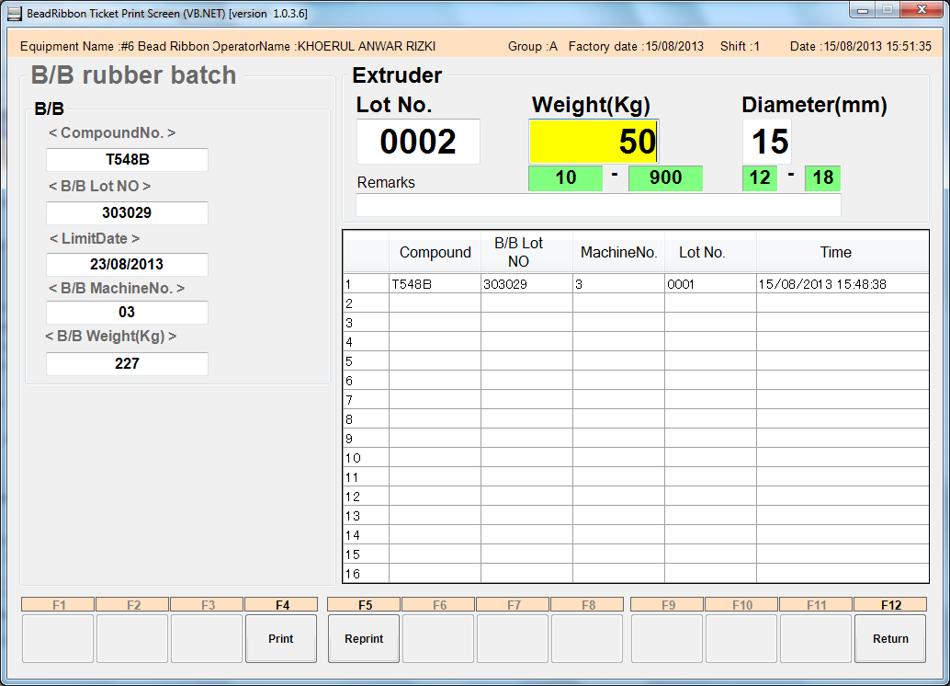

8. Klik YES(Y)
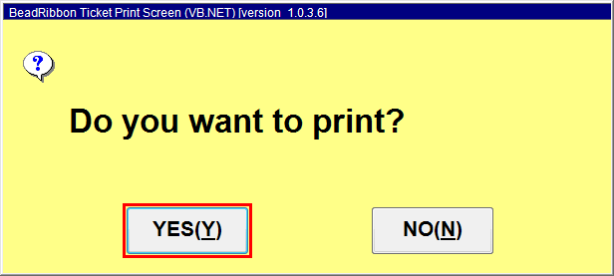

Issued date | Approved by |  |  | Checked by | Prepared by |  | Page
 |  |  |  |  |  |  | 3/4

 | Sutrisno |  | Juhdi M. | Chandra W. | Khoerul

PT SUMI RUBBER INDONESIA
WP |  | PROSEDUR PEMBUATAN TICKET BEAD RIBBON DI APEX FITTING |  |  |  | WE-846/00

9. Detail ticket Bead Ribbon

Keterangan :
1. Nomor mesin:
# 1 Bead Ribbon = Tape Bead 1-2
# 2 Bead Ribbon = Tape Bead 3-4
# 3 Bead Ribbon = Tape Bead 5-6
# 4 Bead Ribbon = Single Bead 7-10
# 5 Bead Ribbon = Single Bead 11-14
# 6 Bead Ribbon = Apex Fitting 1
2. Nomor Lot produksi
3. Tanggal pembuatan material
4. Shift dan group pembuatan material
5. Berat material
6. Size code
7. Expire date material

Issued date | Approved by |  |  | Checked by | Prepared by |  | Page
 |  |  |  |  |  |  | 4/4

 | Sutrisno |  | Juhdi M. | Chandra W. | Khoerul

